Sheet1
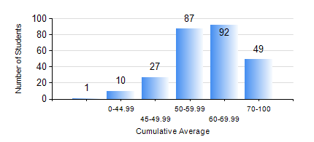
 |  |  | KWAME NKRUMAH UNIVERSITY OF SCIENCE AND TECHNOLOGY, KUMASI Department of Petroleum Engineering

 |  |  | BSC. PETROLEUM ENG.

 |  |  | COMPREHENSIVE RECORD OF EXAMINATION RESULTS

 |  |  | RESULTS OF YEAR 3 FIRST SEMESTER, 2022/2023 ACADEMIC YEAR

 | Sn | Course Code |  | Course Name | Credit Hours | Min. Mark | Max. Mark | Avg. Mark | Std. Dev. | No. Passed | No. Trailed | No. (Df) | No. (I) | No. (I*) | No. Tagged(I,I*,Df) | Total
 | 0. |  |  |  |  |  |  | 0 | 0 | 0 | 0 | 0 | 0 | 0 | 0 | 34
 | 1. | PE 351 |  | PETROLEUM ROCK MECHANICS | 2 | 26 | 88 | 56 | 11.75 | 227 | 4 | 0 | 1 | 0 | 1 | 232
 | 2. | PE 353 |  | DRILLING ENGINEERING I | 3 | 27 | 84 | 62 | 9.58 | 227 | 4 | 0 | 1 | 0 | 1 | 232
 | 3. | PE 355 |  | PETROLEUM ENGINEERING LABORATORY I | 2 | 24 | 83 | 64 | 11.16 | 230 | 1 | 0 | 1 | 0 | 1 | 232
 | 4. | PE 357 |  | PETROLEUM PRODUCTION ENGINEERING I | 3 | 5 | 85 | 64 | 14.17 | 224 | 7 | 0 | 1 | 0 | 1 | 232
 | 5. | PE 359 |  | RESERVOIR PETROPHYSICS | 3 | 17 | 89 | 51 | 14.16 | 201 | 30 | 0 | 1 | 0 | 1 | 232
 | 6. | PE 361 |  | RESERVOIR ENGINEERING II | 3 | 3 | 82 | 48 | 14.01 | 196 | 35 | 0 | 1 | 0 | 1 | 232
 | 7. | PE 363 |  | FORMATION EVALUATION | 3 | 26 | 86 | 60 | 10.71 | 226 | 5 | 0 | 1 | 0 | 1 | 232
 | 8. | PE 367 |  | STATISTICS FOR PETROLEUM ENGINEERS | 2 | 31 | 83 | 53 | 9.84 | 216 | 15 | 0 | 1 | 0 | 1 | 232

